Help
 | Error Log by Spoilt

Reports
Lists
Planner
Error Log
Help

 |  |  | 15:42:54 | 15:42:58
 |  | Clear Log button is to clear already present sample values. This button will be automatically deleted
 |  | Select OA/your answer => serial number (#) will automatically increase (field Correct is auto change)

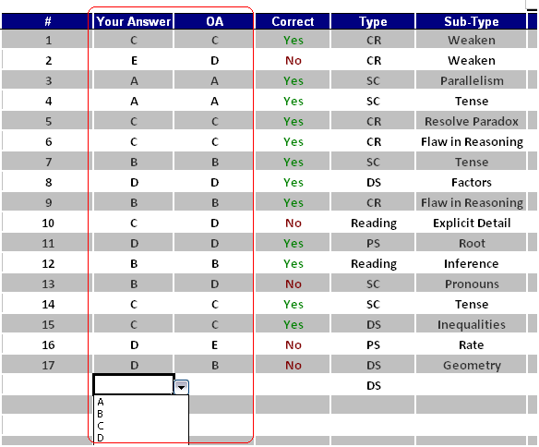

 |  | To copy same values in a coulmn => select 2 cells at the same time and drag down

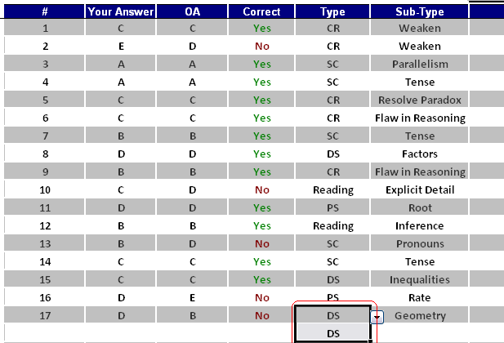

 |  | To add new values to drop-down list - check page Lists

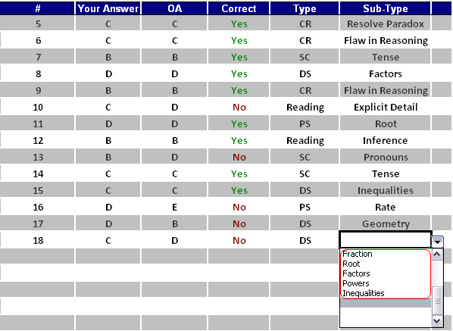

 |  | Press START : select OA time. Time and Length will be logged automatically

Error Log
Hit rate
 | Error Log by Spoilt

Help
Lists
Planner
Reports
Error Log

 |  |  |  |  |  |  |  |  | 15:43:27
 | Hit Rate |  |  |  | Total | 25
 | Question Type | Total | Correct | % | Correct | 15
 | CR | 7 | 5 | 71% | Wrong | 8
 | RC | 4 | 3 | 75%
 | SC | 4 | 2 | 50%
 | DS | 4 | 2 | 50%
 | PS | 4 | 3 | 75%

 | # | Your Answer | OA | Correct | Type | Sub-Type | Notes | Length
 | 1 | D | C | No | CR | Weaken |  | 0:00:02
 | 2 | D | D | Yes | SC | Tense |  | 0:00:03
 | 3 | A | A | Yes | DS | Factors |  | 0:00:02
 | 4 | A | A | Yes | Reading | Explicit Detail |  | 0:00:02
 | 5 | C | C | Yes | PS | Algebra |  | 0:00:02
 | 6 | C | C | Yes | CR | Must be true |  | 0:00:02
 | 7 | B | B | Yes | CR | Parallel Reasoning |  | 0:00:05
 | 8 | D | D | Yes | SC | Parallelism |  | 0:00:01
 | 9 | C | B | No | DS | Rate |  | 0:00:03
 | 10 | C | C | Yes | Reading | Application |  | 0:00:03
 | 11 | B | B | Yes | PS | Root |  | 0:00:01
 | 12 | D | D | Yes | CR | Resolve Paradox |  | 0:00:03
 | 13 | A | A | Yes | CR | Point of argument |  | 0:00:02
 | 14 | B | C | No | SC | Pronouns |  | 0:00:02
 | 15 | D | C | No | DS | Geometry |  | 0:00:13
 | 16 | E | D | No | Reading | Logical structure |  | 0:00:04
 | 17 | C | B | No | PS | Work |  | 0:00:03
 | 18 | E | D | No | CR | Conclusion |  | 0:00:02
 | 19 | D | D | Yes | CR | Assumption |  | 0:00:01
 | 20 | C | B | No | SC | Pronouns |  | 0:00:02
 | 21 | D | D | Yes | DS | Powers |  | 0:00:02
 | 22 | B | B | Yes | Reading | Evaluation |  | 0:00:02
 | 23 | D | D | Yes | PS |  |  | 0:00:01
 | 24 | D |  |  |  |  |  | 0:00:03
 | 25 | D |  |  |  |  |  | 0:00:02

Reports
 | Error Log by Spoilt

Help
Lists
Planner
Error Log
Reports

 | SC |  |  |  |  | RC
 | Question Type | Sub-Type | Total | Correct | % | Question Type | Sub-Type | Total | Correct | %
 | SC | Idioms | 0 | 0 |  | Reading | Main Idea | 0 | 0
 |  | Tense | 1 | 1 | 100% |  | Inference | 0 | 0
 |  | Parallelism | 1 | 1 | 100% |  | Explicit Detail | 1 | 1 | 100%
 |  | Diction | 0 | 0 |  |  | Author's Tone | 0 | 0
 |  | Comparisons | 0 | 0 |  |  | Logical structure | 1 | 0 | 0%
 |  | Modifiers | 0 | 0 |  |  | Application | 1 | 1 | 100%
 |  | Pronouns | 2 | 0 | 0% |  | Evaluation | 1 | 1 | 100%
 |  | Subject - Verb Agreement | 0 | 0

 | CR |  |  |  |  | DS
 | Question Type | Sub-Type | Total | Correct | % | Question Type | Sub-Type | Total | Correct | %
 | CR | Assumption | 1 | 1 | 100% | DS | Geometry | 1 | 0 | 0%
 |  | Weaken | 1 | 0 | 0% |  | Rate | 1 | 0 | 0%
 |  | Strengthen | 0 | 0 |  |  | Algebra | 0 | 0
 |  | Flaw in Reasoning | 0 | 0 |  |  | Probability | 0 | 0
 |  | Bold Face | 0 | 0 |  |  | Arithmetic | 0 | 0
 |  | Parallel Reasoning | 1 | 1 | 100% |  | Combination | 0 | 0
 |  | Resolve Paradox | 1 | 1 | 100% |  | Work | 0 | 0
 |  | Point of argument | 1 | 1 | 100% |  | Fraction | 0 | 0
 |  | Must be true | 1 | 1 | 100% |  | Root | 0 | 0
 |  | Conclusion | 1 | 0 | 0% |  | Factors | 1 | 1 | 100%
 |  |  |  |  |  |  | Powers | 1 | 1 | 100%
 |  |  |  |  |  |  | Inequalities | 0 | 0

 | PS
 | Question Type | Sub-Type | Total | Correct | %
 | PS | Geometry | 0 | 0
 |  | Rate | 0 | 0
 |  | Algebra | 1 | 1 | 100%
 |  | Probability | 0 | 0
 |  | Arithmetic | 0 | 0
 |  | Combination | 0 | 0
 |  | Work | 1 | 0 | 0%
 |  | Fraction | 0 | 0
 |  | Root | 1 | 1 | 100%
 |  | Factors | 0 | 0
 |  | Powers | 0 | 0
 |  | Inequalities | 0 | 0

Lists
 | Error Log by Spoilt

Help
Planner
Reports
Error Log
Lists

 | SC | CR | PS | DS | Reading | OA | Type | Test
 | Idioms | Assumption | Geometry | Geometry | Main Idea | A | CR | GMATPrep
 | Tense | Weaken | Rate | Rate | Inference | B | SC | MGMAT
 | Parallelism | Strengthen | Algebra | Algebra | Explicit Detail | C | DS | Kaplan
 | Diction | Flaw in Reasoning | Probability | Probability | Author's Tone | D | Reading | Princeton
 | Comparisons | Bold Face | Arithmetic | Arithmetic | Logical structure | E | PS
 | Modifiers | Parallel Reasoning | Combination | Combination | Application
 | Pronouns | Resolve Paradox | Work | Work | Evaluation
 | Subject - Verb Agreement | Point of argument | Fraction | Fraction
 |  | Must be true | Root | Root
 |  | Conclusion | Factors | Factors
 |  |  | Powers | Powers
 |  |  | Inequalities | Inequalities

 | To Add New values in drop-down list of worksheet Error Log: Fill the new value in corresponding column

Planner
 | Error Log by Spoilt

Help
Lists
Reports
Error Log
Planner

 | 2009-10-01

 | Sun | Mon | Tue | Wed | Thu | Fri | Sat
 |  |  |  |  | 1 | 2 | 3
 |  |  |  |  | OG 10 SC 1-20
 | 4 | 5 | 6 | 7 | 8 | 9 | 10

 | 11 | 12 | 13 | 14 | 15 | 16 | 17

 | 18 | 19 | 20 | 21 | 22 | 23 | 24

 | 25 | 26 | 27 | 28 | 29 | 30 | 31

 | 2009-11-01

 | Sun | Mon | Tue | Wed | Thu | Fri | Sat
 | 1 | 2 | 3 | 4 | 5 | 6 | 7

 | 8 | 9 | 10 | 11 | 12 | 13 | 14

 | 15 | 16 | 17 | 18 | 19 | 20 | 21

 | 22 | 23 | 24 | 25 | 26 | 27 | 28

 | 29 | 30

 | 2009-12-01

 | Sun | Mon | Tue | Wed | Thu | Fri | Sat
 |  |  | 1 | 2 | 3 | 4 | 5

 | 6 | 7 | 8 | 9 | 10 | 11 | 12

 | 13 | 14 | 15 | 16 | 17 | 18 | 19

 | 20 | 21 | 22 | 23 | 24 | 25 | 26

 | 27 | 28 | 29 | 30 | 31

 | 2010-01-01

 | Sun | Mon | Tue | Wed | Thu | Fri | Sat
 |  |  |  |  |  | 1 | 2

 | 3 | 4 | 5 | 6 | 7 | 8 | 9

 | 10 | 11 | 12 | 13 | 14 | 15 | 16

 | 17 | 18 | 19 | 20 | 21 | 22 | 23

 | 24 | 25 | 26 | 27 | 28 | 29 | 30

 | 31

